AUTOMATION CONTROL
WEB_SCRAPE Automation User's Manual

 | Automation Control
 |  |  | Automation Control - Summary

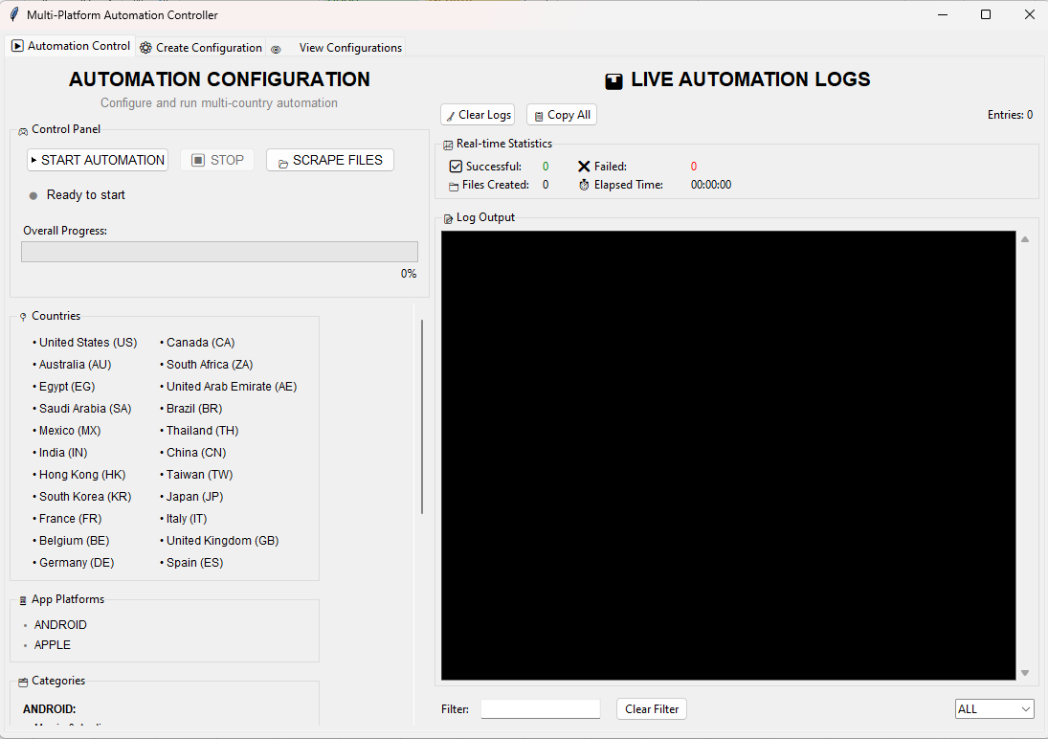
 |  |  | 1. START AUTOMATION: Launches the full automation loop in a background thread. The GUI stays responsive while it runs.
4
5

2
 |  |  | 2. STOP: Sends a stop signal. The current page capture finishes first, then the loop exits cleanly.
1
3
 |  |  | 3. SCRAPE FILES: Extracts data from an existing folder of MHTML files without re-running the browser.

 |  |  | 4. CLEAR LOGS: Wipes the log display. Does not affect the automation.

 |  |  | 5. COPY ALL: Copies full log text to clipboard for troubleshooting.

 |  |  | 6. FILTER INPUT & LOG-LEVEL : Type a keyword to highlight matching lines in yellow and Filter by ALL, INFO, WARNING, or ERROR.

 |  |  | 7. CLEAR FILTER: Removes all filters and restores the full log view.

7
6.1
6.2

How to use

 | In this Application we have 3 major features

 |  | 1. Automate Webpages
 |  | 2. Scrape MHTML Files
 |  | 3. Create and Update Configuration
Automate Webpages
 |  | 4. View Existing Configuration

OVERVIEW

What it does:
• Opens Google Chrome automatically and navigates to each configured platform
• Visits every combination of country, app platform (Android / Apple), and category
• Saves each page as an MHTML file to your local drive
• Immediately extracts app ranking data into All_platforms.xlsx
• Skips any country/category already captured in a previous session

This initialize all the web platforms along with the total of execution needed to save and extract during runtime.
 |  |  |  |  |  | Step 1. Open the application click the 'WEB_SCRAPE_AUTOMATION.exe' |  |  |  |  |  | Step 2. To start click ' ▶ START AUTOMATION' the button and Chrome opens automatically.

Before you start:
⚠️ WARNING — Set Power & Sleep to NEVER before starting Go to: Settings → System → Power & Sleep → set both Screen and Sleep to Never. The automation runs for several hours.
If the PC sleeps, the browser may close itself and the session will fail.
⚠️ Do NOT close the application or the Chrome browser while running.
Use the STOP button inside the app if you need to end the session early."
📝 Make sure Google Chrome is installed.

 |  |  |  |  | Step 4.Handle CAPTCHA if prompted If a pop-up notification appears, |  |  |  |  |  | Step 3. Monitor the Log Output The right panel shows live activity.

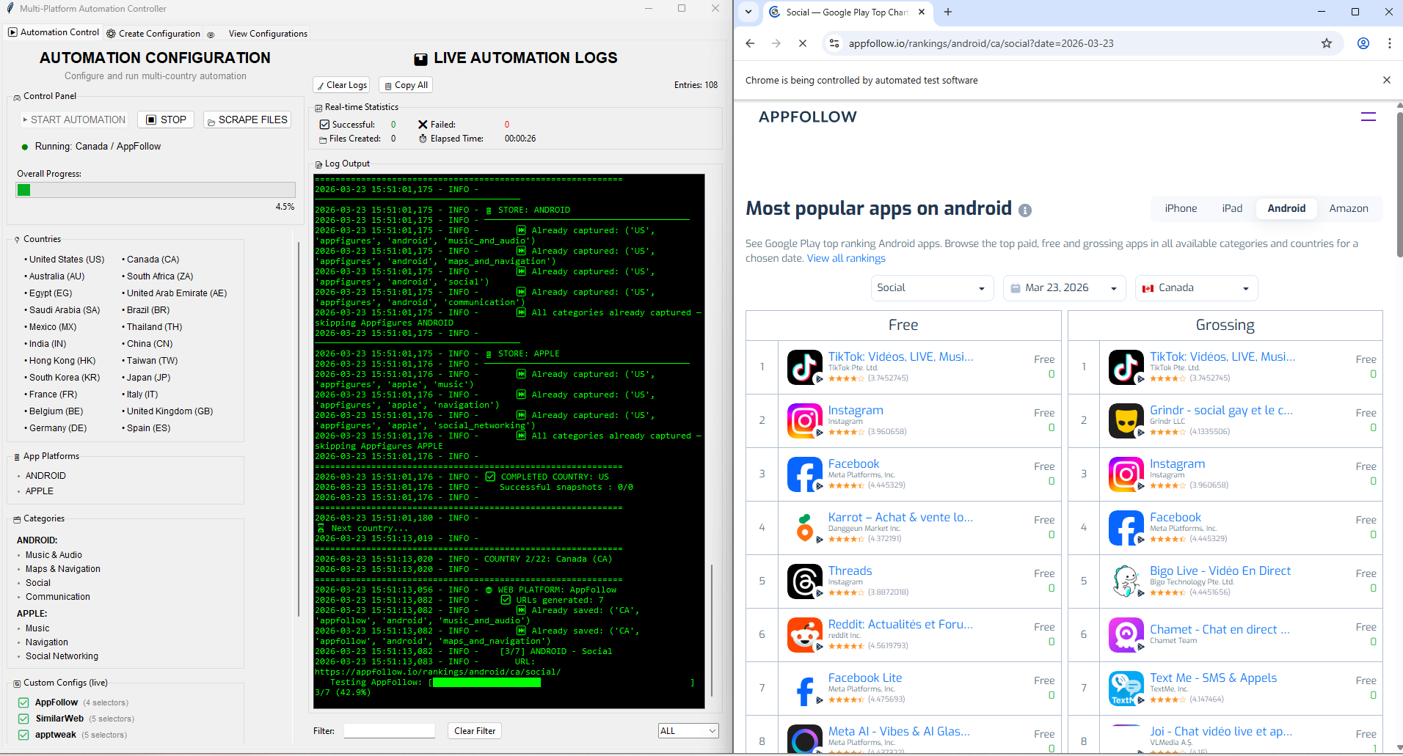
Quick State in the log output. Orange/Yellow = mean the page was already captured and skipped. Red = actual errors — failed to load, snapshot error, extraction failed.
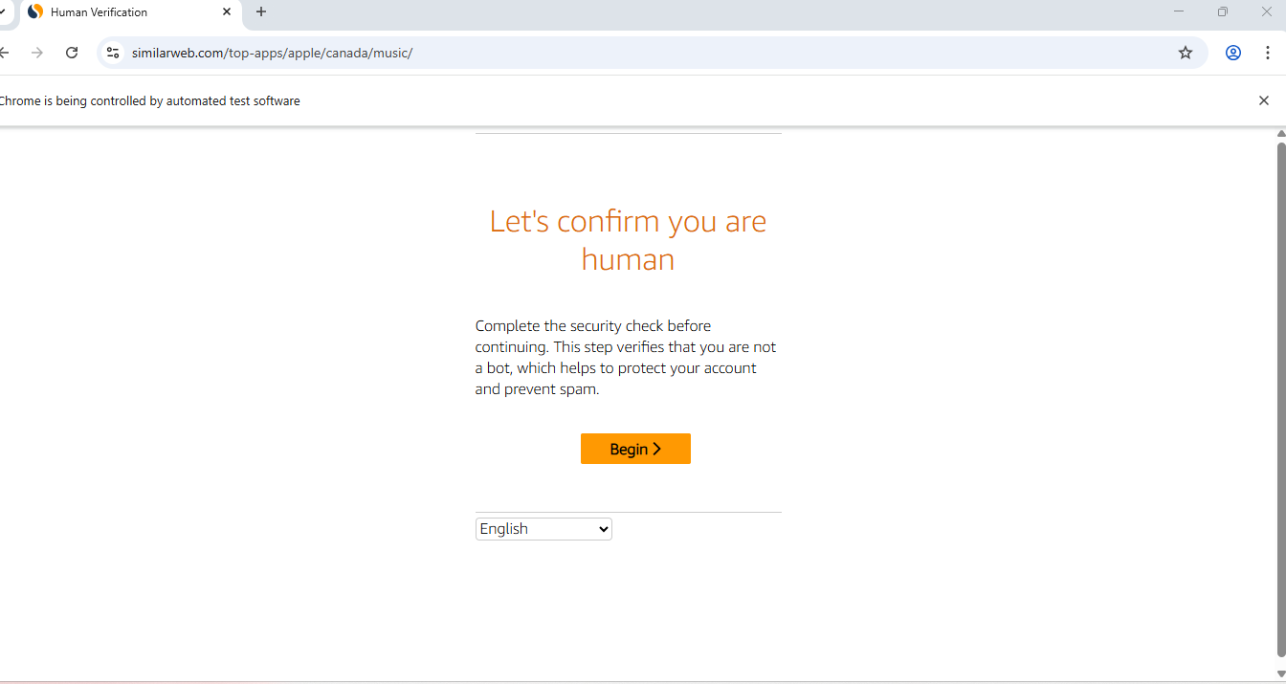
If a pop-up notification appears, switch to the Chrome window and solve the verification manually. The human verification process have a 300s duration when this expired this process will skipped.

 |  |  |  | Step 5.Wait for completion when finished, a dialog appears |  |  |  |  |  |  |  |  |  | Step 6.Retrieve your files Go to the Output Directory shown in dialog message.

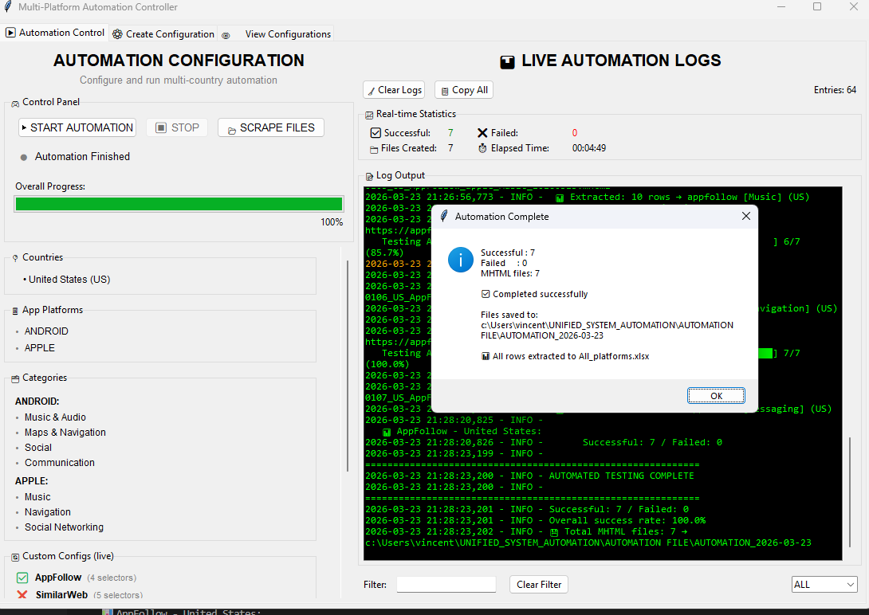
when finished, a dialog appears showing successful captures,failed captures, and the output folder location.

Inside AUTOMATION FILE/ , you will find the dated sub-folder with all MHTML files and All_platforms.xlsx. The file name of excell are standard when automating webpages.

Scrape mhtml Files

OVERVIEW
Step 1: Click the scraper files button
Step 3: respond to Confirmation message

What It does:
• Reads each .mhtml file in the selected folder one by one — no browser is opened.
• Automatically detects the platform, country, and category from the filename.
Parses the saved HTML inside the MHTML file.
• Extracts the app rankings (rank, publisher, app name, store link, app icon) using the configurations in config.json."
• Appends all extracted rows to the correct category sheet in the output Excel file.

Before you start:
📝 NOTE
Make sure your MHTML files follow the correct naming convention.
The application detects platform, country, and category from the filename automatically.
Files with unrecognized names will be skipped and logged as failed.
Expected format:
{country_number}{sequence}_{country_code}_{platform}_{app_platform}_{category}_{date}.mhtml
Example: 0101_US_AppFollow_android_Music_and_Audio_20260322.mhtml
✅ TIP
The MHTML files from the automation session are already named correctly.
If you are using files from a previous run, just point Scrape Files
to the AUTOMATION_YYYY-MM-DD folder inside AUTOMATION FILE.
⚠️ WARNING
Do not rename or move MHTML files before running Scrape Files.
The platform, country, and category detection depends entirely on the filename.
files will be skipped or assigned to the wrong category.

Step 2: Select Directory : Choose the directory containing the MHTML file.
Step 4: Enter quarter and output file name

Step 5: Information Message()

Custom Configuration

Overview

 | What It Does: •Reads the Configuration Name dropdown and loads the matching config from custom_patterns.json •Populates the form with the config's existing values — Name, URL, Description, Status, Version, and Custom Selectors. •Switches the view to Custom Selectors mode automatically. • Allows you to add, edit, or delete selectors from the table before saving. |  |  |  |  |  | How to Create a Custom Configuration

 |  |  |  |  |  |  |  | Step 1. Go to the ⚙️ Create Configuration tab |  |  | Step 2.Fill in the Configuration Details |  |  |  |  |  |  |  | Step 3. Set the Active Status

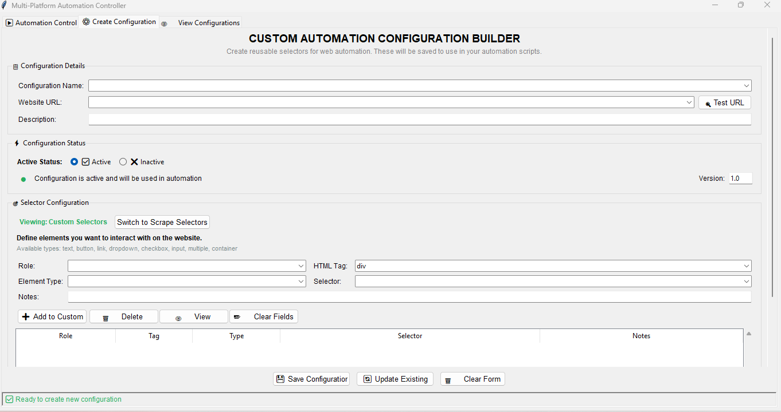

Select 'Active' if you want to included in the automation or 'Inactive' if just to skip it for now.

Before you start:
⚠️ WARNING — Make sure you are in "Viewing: Custom Selectors" mode — check the green badge.
If it shows orange "Viewing: Scrape Selectors", click the toggle button first.
⚠️ Use 🔄 Update Existing — not 💾 Save — to avoid creating a duplicate config.
✅ TIP Double-check the Configuration Name field matches the config you intend to update.
Saving under a different name will create a new entry instead.
 |  |  |  |  |  |  |  |  |  |  |  |  |  |  |  | Configuration Name — type a unique name (e.g. "AppMagic")

 |  |  |  |  |  |  |  |  |  |  |  |  |  | Description — optional note about this config |  | Website URL — paste the base URL pattern only containing applisting

The Base URL depends on the Webplatform itself. Some of them use a simple root URL while others require a specific page URL. When in doubt, Always click 🔍 Test URL to verify the URL loads correctly before saving.

 |  |  |  |  |  |  |  |  |  |  |  |  |  | Step 4.Add Custom Selectors

Make sure the badge says "Viewing: Custom Selectors", If not click Switch to Custom Selectors

 |  |  |  |  |  |  |  |  |  |  |  |  |  |  |  |  |  | 4.1 Fill the 'Role' Field or pick from the dropdown that fits on the specfic role |  |  |  | 4.2 Fill the 'HTML Tag' or by selecting it from the predefined dropdown
 |  |  |  |  |  |  |  |  |  |  |  |  |  |  |  |  |  | (e.g. countries_span,category_input). |  |  |  | (e.g. div, span,td)
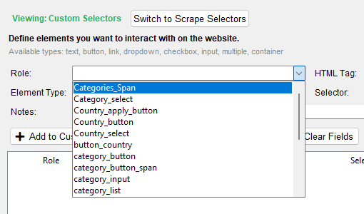
The Role dropdown lists all existing roles collected across your saved configurations. Pick the one that matches the element you're targeting, or type a new one if it doesn't exist yet.
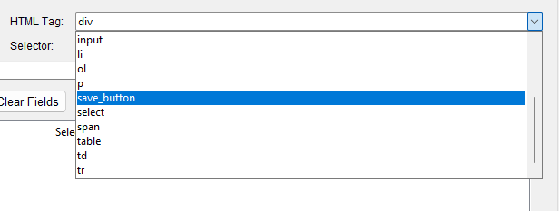
The HTML Tag dropdown lists all existing tag collected across your saved configurations. Pick the one that matches the element you're targeting, or type a new one if it doesn't exist yet.

 |  |  |  |  |  |  |  |  | Step 5. Click 'Save Configuration' to added it our Custom_patterns.json.

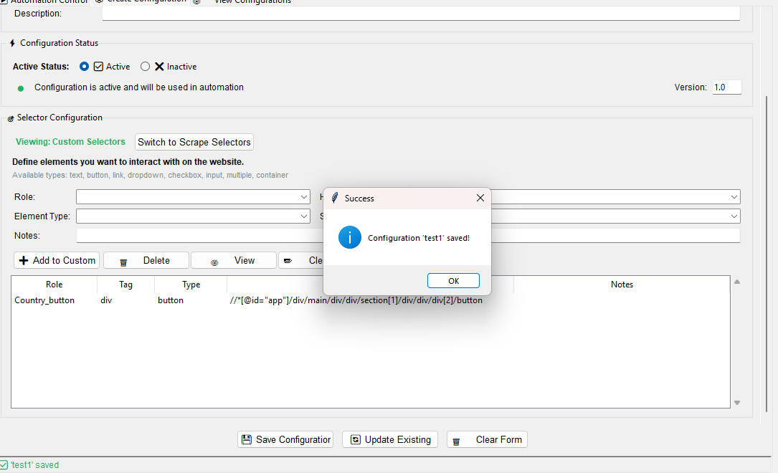

 |  |  |  |  |  |  |  |  |  |  |  |  |  |  | 4.3 Fill the 'Element Type' by selecting it from the predefined dropdown |  | 4.4 Fill the 'Selector' copy paste the CSS selector value or the Xpath of the element |  |  |  |  | 4.5 Fill the 'Notes' this was optional for description

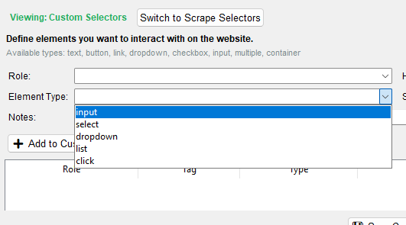

The Selector value tells the application exactly which element to find on the page. There are two formats you can use:
XPath — starts with // or //*
✅//button[contains(@class, 'save-btn')]
✅//*[@id="app"]/div/button
CSS Selector — uses class names, IDs, or element patterns
✅ .save-btn
✅ #app > div > button

 |  |  |  |  |  |  |  |  |  |  |  |  |  |  |  |  |  |  |  |  |  | 4.6. Click 'Add to Custom' to append the list in the configuration


All added configuration will listed in the table.
Double click to edit and delete to remove it.

You must only select from the predefined options in the dropdown — input, select, dropdown, list, click. Typing a custom value is not supported and may cause the automation to fail or not recognize the element during execution.

 |  |  |  |  |  |  |  | How to Update a Custom Configuration on an Existing Configuration

 |  |  |  |  |  |  |  |  |  | Step 1. Go to the ⚙️ Create Configuration tab |  |  | Step 2. Load the config by Name Click the 'Configuration Name' dropdown.

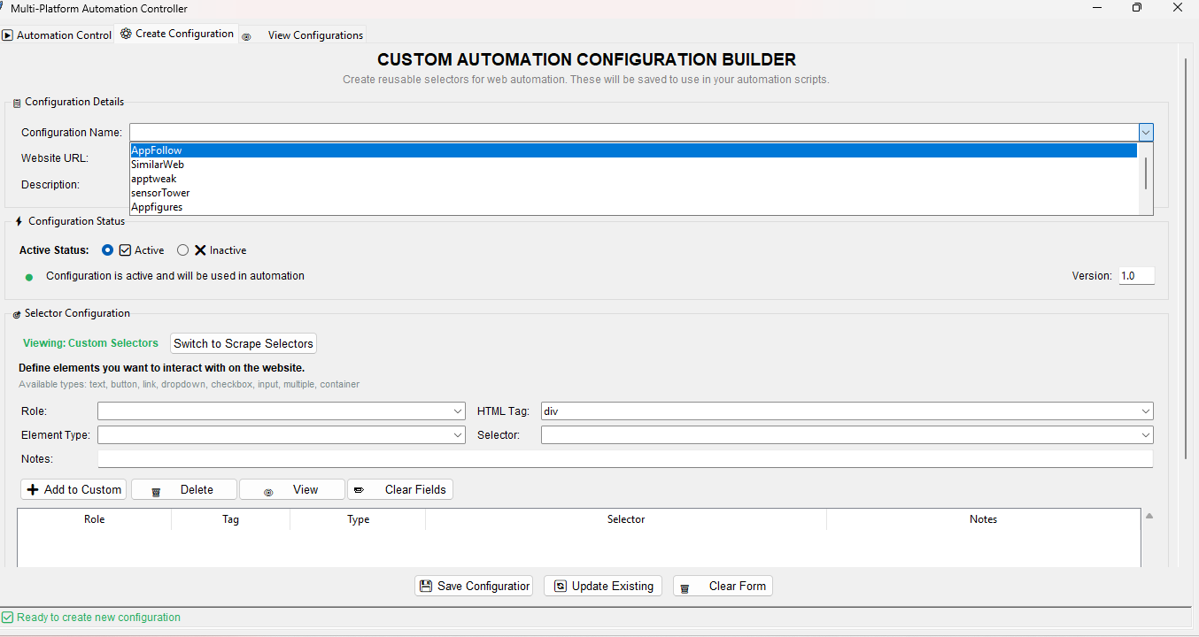
Select the config you want to edit from the list — it will auto-load all its existing values into the form.

 |  |  |  |  |  |  |  |  |  |  |  |  |  |  |  |  |  | Step 3. Add Custom Selectors

The HTML Tag dropdown lists all existing tag collected across your saved configurations. Pick the one that matches the element you're targeting, or type a new one if it doesn't exist yet.
 |  |  |  |  |  |  |  |  |  |  |  |  |  |  |  |  |  | 3.1 Fill the 'Role' Field or pick from the dropdown that fits on the specfic role |  |  |  | 3.2 Fill the 'HTML Tag' or by selecting it from the predefined dropdown
 |  |  |  |  |  |  |  |  |  |  |  |  |  |  |  |  |  | (e.g. countries_span,category_input). |  |  |  | (e.g. div, span,td)
Check the view badge near the selector section. It should read "Viewing: Custom Selectors" in green. If not, click the toggle button to switch back to Custom.
The Role dropdown lists all existing roles collected across your saved configurations. Pick the one that matches the element you're targeting, or type a new one if it doesn't exist yet.

 |  |  |  |  |  |  |  |  |  |  |  |  |  |  |  |  |  | 3.3 Fill the 'Element Type' by selecting it from the predefined dropdown |  |  | 3.4 Fill the 'Selector' copy paste the CSS selector value or the Xpath of the element

The Selector value tells the application exactly which element to find on the page. There are two formats you can use:
XPath — starts with // or //*
✅ //button[contains(@class, 'save-btn')]
✅ //*[@id="app"]/div/button
CSS Selector — uses class names, IDs, or element patterns
✅ .save-btn
✅ #app > div > button

You must only select from the predefined options in the dropdown — input, select, dropdown, list, click. Typing a custom value is not supported and may cause the automation to fail or not recognize the element during execution.

 |  |  |  |  |  |  |  |  | Step 4. Modifying or Remove an Existing Selector

To delete: Select the selector in the list and use the 'Delete' function.
After clicking the selected value, this will be remove temporarily.
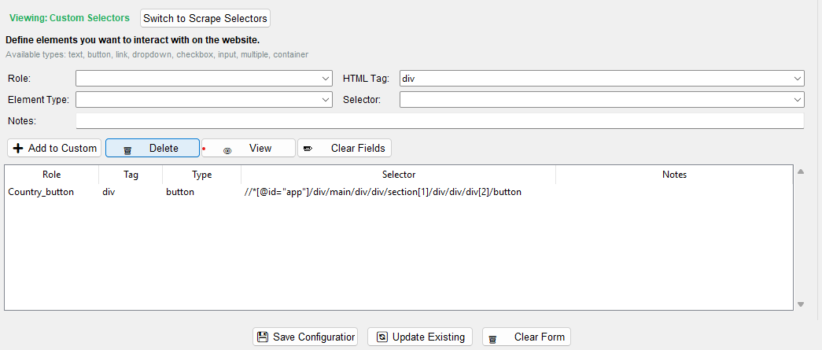

 |  |  |  |  |  |  |  |  |  |  |  |  |  |  |  |  |  | 3.5 Fill the 'Notes' this was optional for description |  | 3.6. Click 'Add to Custom' to append the list in the configuration

All added configuration will listed in the table.
Double click to edit and delete to remove it.

To edit: Double click a selector in the list — its values populate the input fields. Do the procedure 'Add Custom Selectors' to Make your changes.

 |  |  |  |  |  |  |  |  |  | Step 5. Save the changes Click the 'Update Existing'

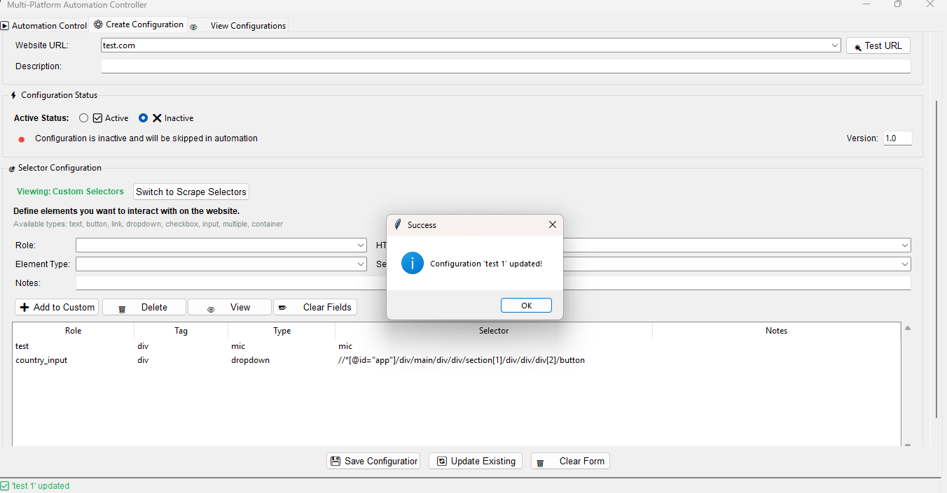

This overwrite all the config in the selected configuration. Once updated a dialog message will appeared to ensure that it take affect the modification.

CREATE CONFIGURATION
WEB_SCRAPE Automation User's Manual

Custom Configuration

Overview

 | What It Does: •Reads the Configuration Name dropdown and loads the matching config from custom_patterns.json •Populates the form with the config's existing values — Name, URL, Description, Status, Version, and Custom Selectors. •Switches the view to Custom Selectors mode automatically. • Allows you to add, edit, or delete selectors from the table before saving. | How to Create a Custom Configuration

 |  |  | Step 1. Go to the ⚙️ Create Configuration tab |  |  | Step 2.Fill in the Configuration Details |  |  |  |  |  |  | Step 3. Set the Active Status

Select 'Active' if you want to included in the automation or 'Inactive' if just to skip it for now.

Before you start:
⚠️ WARNING — Make sure you are in "Viewing: Custom Selectors" mode — check the green badge.
If it shows orange "Viewing: Scrape Selectors", click the toggle button first.
⚠️ Use 🔄 Update Existing — not 💾 Save — to avoid creating a duplicate config.
✅ TIP Double-check the Configuration Name field matches the config you intend to update.
Saving under a different name will create a new entry instead.
 |  |  |  |  |  |  |  |  |  | Configuration Name — type a unique name (e.g. "AppMagic")

 |  |  |  |  |  |  |  | Description — optional note about this config |  | Website URL — paste the base URL pattern only containing applisting

The Base URL depends on the Webplatform itself. Some of them use a simple root URL while others require a specific page URL. When in doubt, Always click 🔍 Test URL to verify the URL loads correctly before saving.

 |  |  |  |  |  |  |  | Step 4.Add Custom Selectors

Make sure the badge says "Viewing: Custom Selectors", If not click Switch to Custom Selectors

 |  |  |  |  |  |  |  |  |  |  |  | 4.1 Fill the 'Role' Field or pick from the dropdown that fits on the specfic role |  |  |  | 4.2 Fill the 'HTML Tag' or by selecting it from the predefined dropdown
 |  |  |  |  |  |  |  |  |  |  |  | (e.g. countries_span,category_input). |  |  |  | (e.g. div, span,td)
The Role dropdown lists all existing roles collected across your saved configurations. Pick the one that matches the element you're targeting, or type a new one if it doesn't exist yet.
The HTML Tag dropdown lists all existing tag collected across your saved configurations. Pick the one that matches the element you're targeting, or type a new one if it doesn't exist yet.

 |  |  |  | Step 5. Click 'Save Configuration' to added it our Custom_patterns.json.

 |  |  |  |  |  |  |  |  | 4.3 Fill the 'Element Type' by selecting it from the predefined dropdown |  | 4.4 Fill the 'Selector' copy paste the CSS selector value or the Xpath of the element |  |  |  |  | 4.5 Fill the 'Notes' this was optional for description

The Selector value tells the application exactly which element to find on the page. There are two formats you can use:
XPath — starts with // or //*
✅//button[contains(@class, 'save-btn')]
✅//*[@id="app"]/div/button
CSS Selector — uses class names, IDs, or element patterns
✅ .save-btn
✅ #app > div > button

 |  |  |  |  |  |  |  |  |  |  |  |  |  |  |  | 4.6. Click 'Add to Custom' to append the list in the configuration

All added configuration will listed in the table.
Double click to edit and delete to remove it.

You must only select from the predefined options in the dropdown — input, select, dropdown, list, click. Typing a custom value is not supported and may cause the automation to fail or not recognize the element during execution.

 |  |  | How to Update a Custom Configuration on an Existing Configuration

 |  |  |  |  | Step 1. Go to the ⚙️ Create Configuration tab |  | Step 2. Load the config by Name Click the 'Configuration Name' dropdown.

Select the config you want to edit from the list — it will auto-load all its existing values into the form.

 |  |  |  |  |  |  |  |  |  |  |  | Step 3. Add Custom Selectors

The HTML Tag dropdown lists all existing tag collected across your saved configurations. Pick the one that matches the element you're targeting, or type a new one if it doesn't exist yet.
 |  |  |  |  |  |  |  |  |  |  |  | 3.1 Fill the 'Role' Field or pick from the dropdown that fits on the specfic role |  |  |  | 3.2 Fill the 'HTML Tag' or by selecting it from the predefined dropdown
 |  |  |  |  |  |  |  |  |  |  |  | (e.g. countries_span,category_input). |  |  |  | (e.g. div, span,td)
Check the view badge near the selector section. It should read "Viewing: Custom Selectors" in green. If not, click the toggle button to switch back to Custom.
The Role dropdown lists all existing roles collected across your saved configurations. Pick the one that matches the element you're targeting, or type a new one if it doesn't exist yet.

 |  |  |  |  |  |  |  |  |  |  |  | 3.3 Fill the 'Element Type' by selecting it from the predefined dropdown |  |  | 3.4 Fill the 'Selector' copy paste the CSS selector value or the Xpath of the element

The Selector value tells the application exactly which element to find on the page. There are two formats you can use:
XPath — starts with // or //*
✅ //button[contains(@class, 'save-btn')]
✅ //*[@id="app"]/div/button
CSS Selector — uses class names, IDs, or element patterns
✅ .save-btn
✅ #app > div > button

You must only select from the predefined options in the dropdown — input, select, dropdown, list, click. Typing a custom value is not supported and may cause the automation to fail or not recognize the element during execution.

 |  |  |  | Step 4. Modifying or Remove an Existing Selector

To delete: Select the selector in the list and use the 'Delete' function.
After clicking the selected value, this will be remove temporarily.

 |  |  |  |  |  |  |  |  |  |  |  | 3.5 Fill the 'Notes' this was optional for description |  | 3.6. Click 'Add to Custom' to append the list in the configuration

All added configuration will listed in the table.
Double click to edit and delete to remove it.

To edit: Double click a selector in the list — its values populate the input fields. Do the procedure 'Add Custom Selectors' to Make your changes.

 |  |  |  |  | Step 5. Save the changes Click the 'Update Existing'

"What happens in the background for each page:
1. Checks if already captured — if yes, skips it
2. Opens the target URL in Chrome
3. Waits for the page to fully load
4. Checks if the page is valid (not 404, blocked, or empty)
5. Captures the full page as an MHTML snapshot
6. Reads the MHTML and extracts app ranking data into Excel
7. Moves on to the next category, country, or platform"

This overwrite all the config in the selected configuration. Once updated a dialog message will appeared to ensure that it take affect the modification.

VIEW CONFIGURATION
WEB_SCRAPE_AUTOMATION

View Configuration

 |  | Step 1. Go to the 'View Configuration' |  |  | Step 2. Edit Existing Configuration

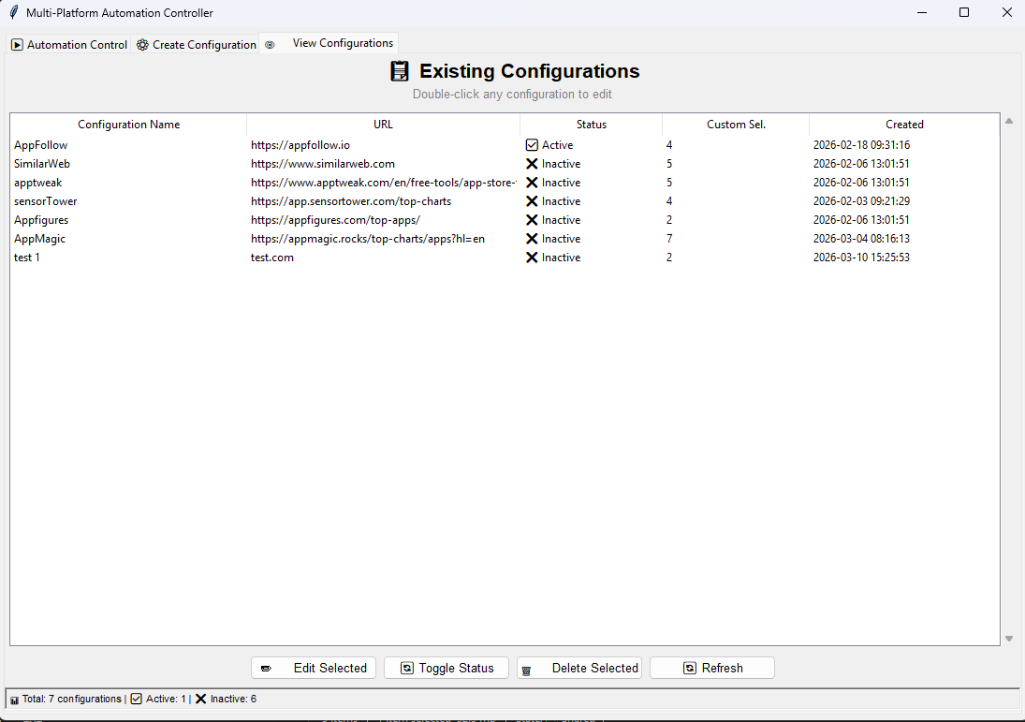

You can also edit Existing Configuration directly here by double clicking or by clicked the 'Edit Selected' this will redirect on the 'Create Configuration' along with its selectors.

This table will load all the configuration in the custom pattern.json

 |  | Step 3. Change Configuration Status |  | Step 4. Deleting Configuration

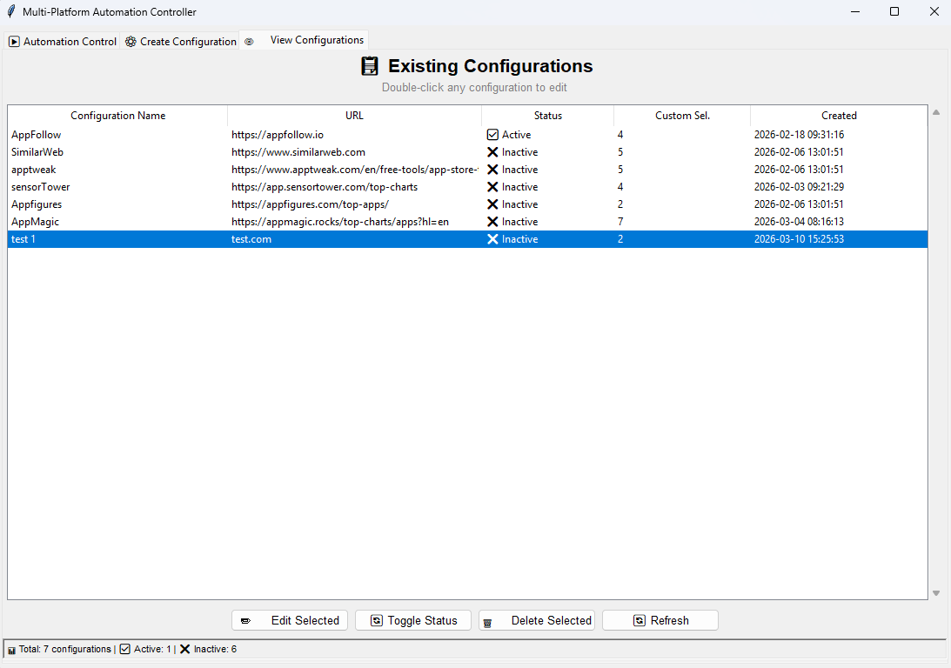
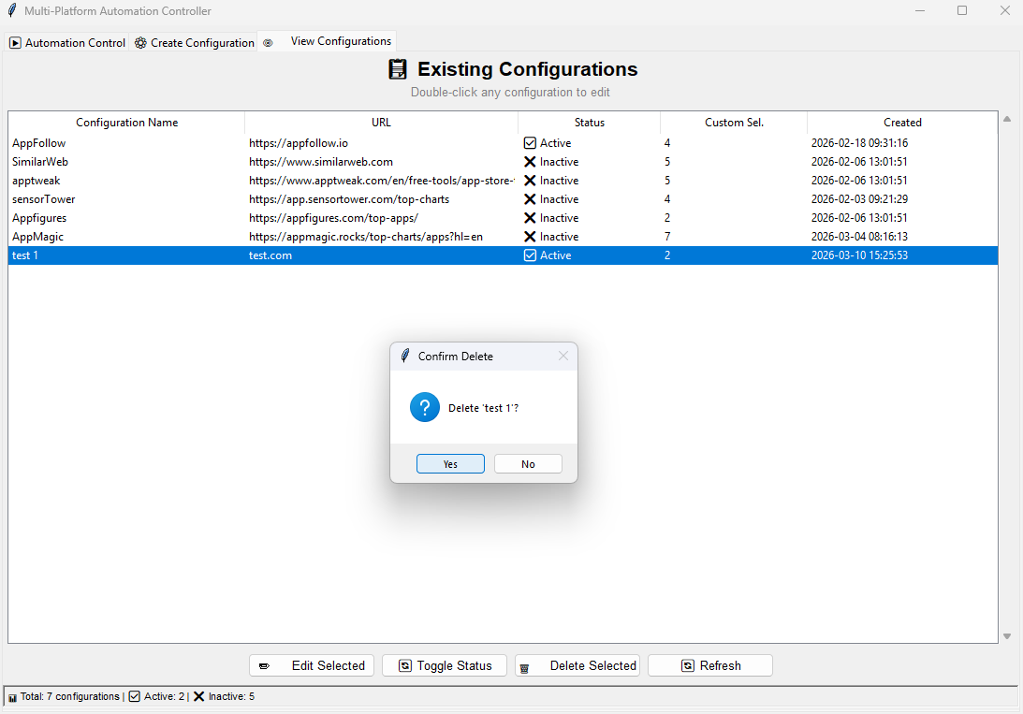

You can delete the entire configuration by clicking the 'Delete Selected'. A prompt also appears for your confirmation.

You can change the status of the Configuration to exclude it on the main execution. just select specific config, then click 'Toggle Status'.
 | `

 |  |  | `
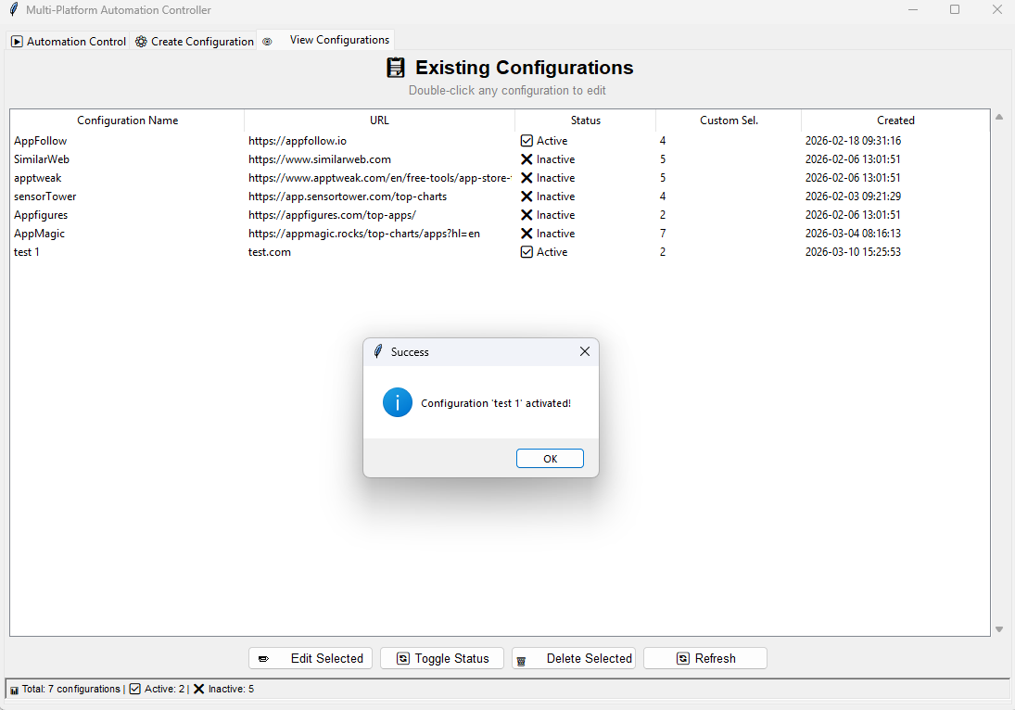


This dialog appear that it was successfully deleted the entirely the selected configuration.

All the Changed status will also affect on the overall run in the automation.

INITIALIZE CSS-XPATH VALUES
WEB_SCRAPE_AUTOMATION

Initialize Values Selectors

 | Automating Web Pages

Ensure the layout of the web Platform will be using is similar to this one. If not there a chance that you will encountered issue. current implementation auto detection according to the designated categories.
 |  | Step 1. Open the Web Platform in any Browser |  | Step 2. Identify the elements you need to interact with

Look for the following controls on the page:
Country selector — dropdown or button to change the country
Category selector — dropdown or button to change the category
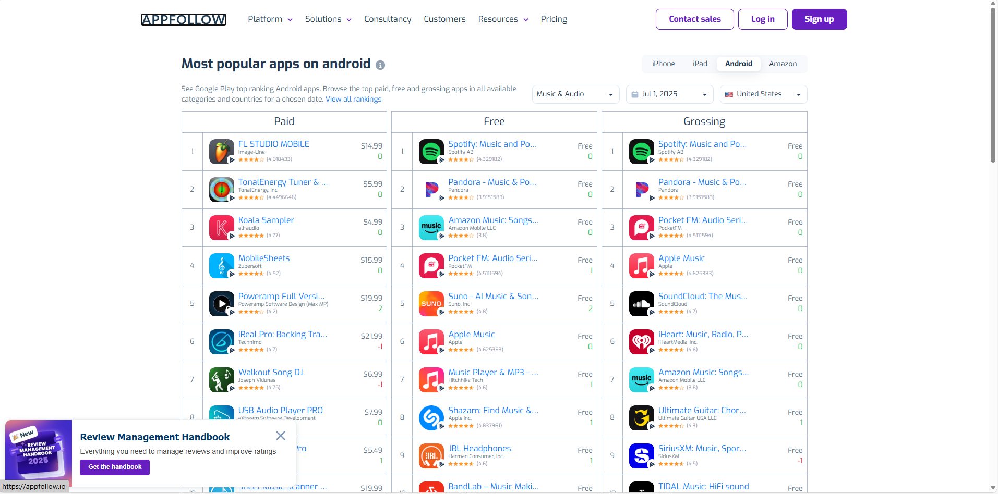

 |  |  | Step 3. Inspect each element needed. |  | Step 4. Extract Element Values

 |  |  |  |  |  | 4.1 Used using the xpath value |  | 4.1.1 Proceed on filling up the selector Configuration
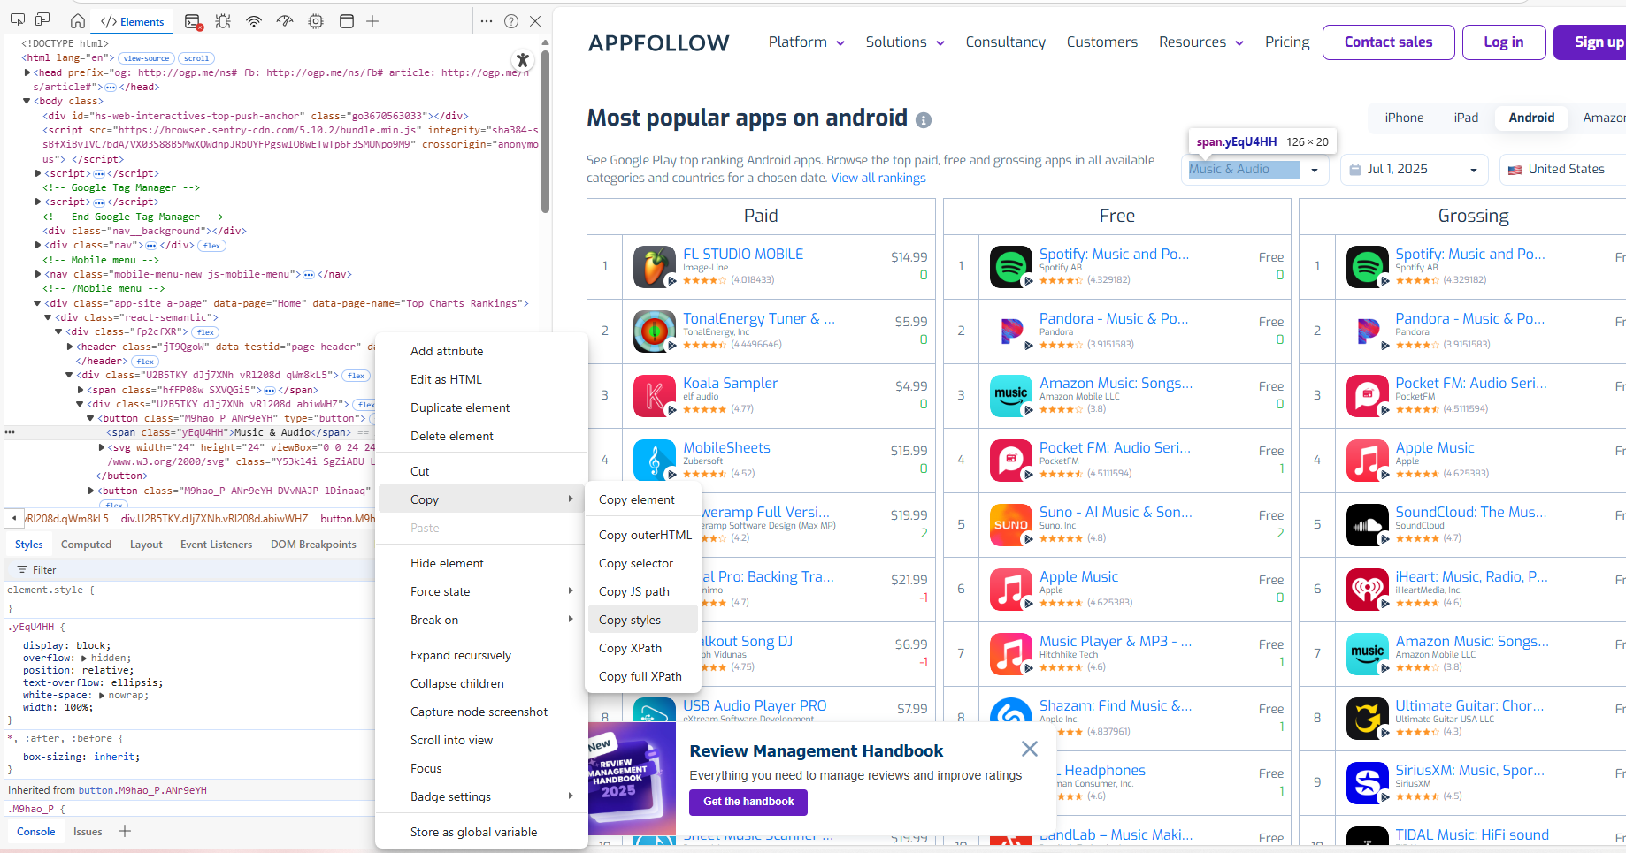
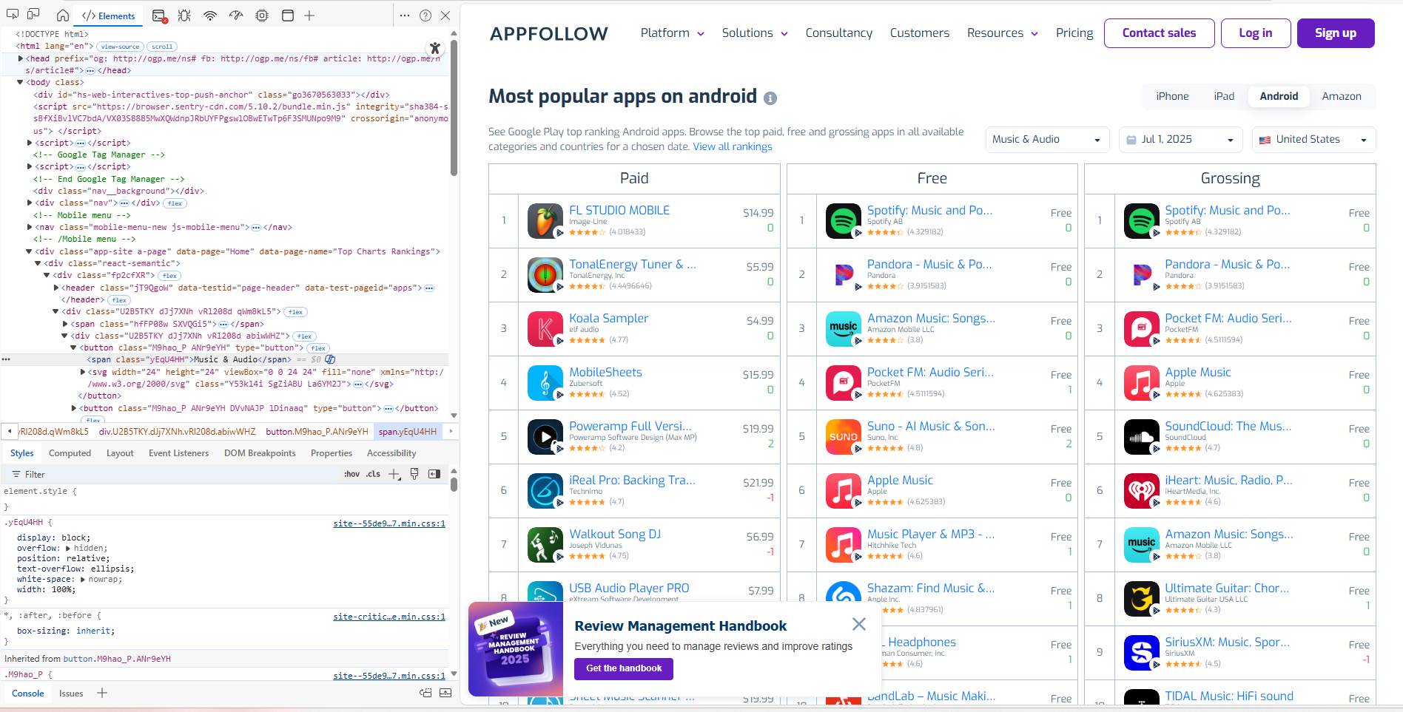
Right click to the element (e.g. Categories dropdown) then click 'inspect'. For more accurate element tracking press ctrl+Shift+C.
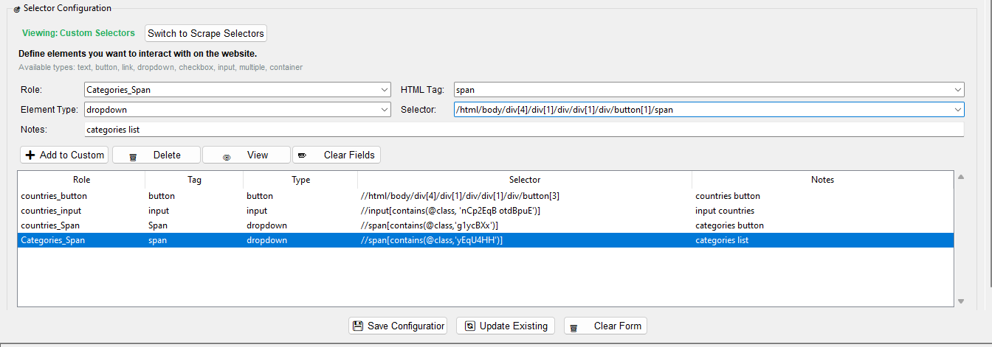

XPath must always start with "//" Always add the missing / at the beginning otherwise the automation will not recognize the element. ✅ Correct: //html/body/div[4]/div[1]/div/button[3] ❌ Wrong: /html/body/div[4]/div[1]/div/button[3]
Right click the highlighted element then click 'copy->Copy Xpath'. This will extract the exact xpath value of the selected elements.
expected value: /html/body/div[4]/div[1]/div/div[1]/div/button[1]/span

For more accurate and reliable selectors use the contains pattern instead of a fixed path //span[contains(@class,'yEqU4HH')]
FORMAT: //{tag}[contains({type},'{classname}')]
The highlighted elements will appear in the left coner where you will get the tag and its element or selector value. HTML Tag: span Selector : yEqU4HH

 |  |  |  |  |  | Note: Xpath only applicable when the Elements are static or did not dynamically change its position.

 |  |  |  |  |  | 4.2 Used using the class value |  | 4.2.1 Proceed on filling up the selector Configuration

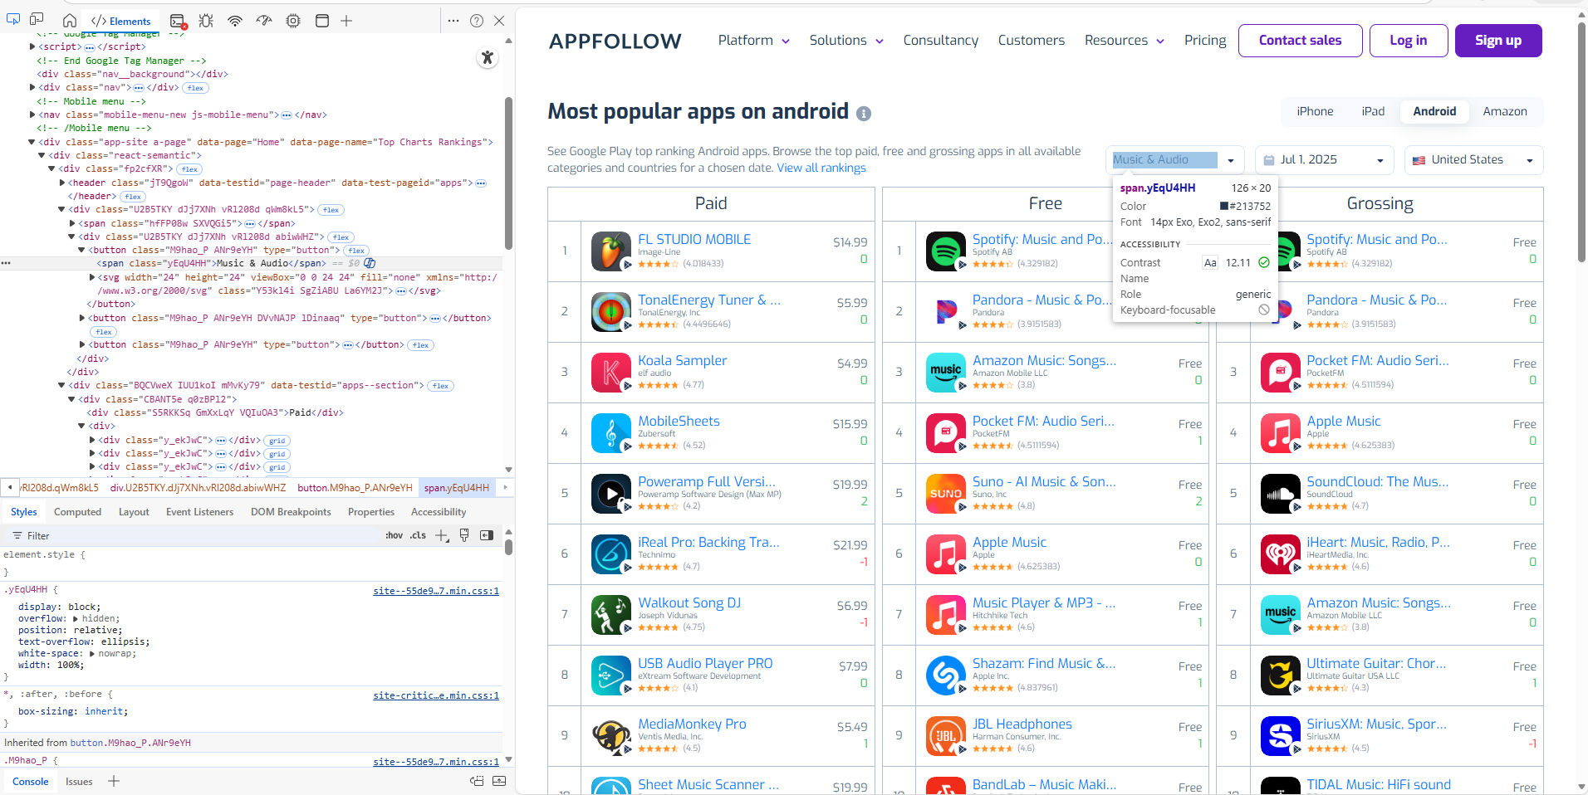
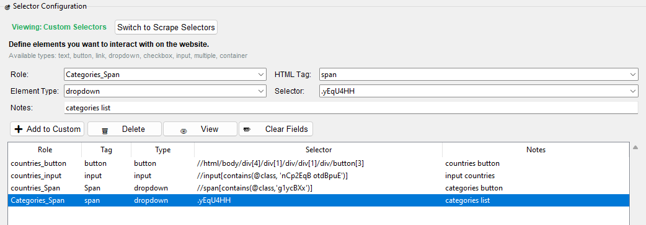

Copy the value inside of the class. This was an alternative for accurate call for each elements.
expected value: .yEqU4HH
CSS must always start with "." When the value does not start with that pattern add it at the beginning. ✅ Correct: .YEqU4HH ❌ Wrong: YEqU4HH
 |  |  |  |  |  |  | `

